Sheet1
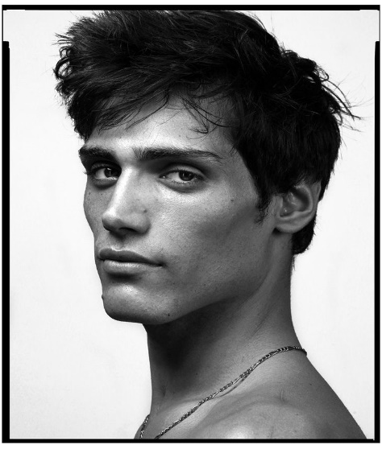
FACIAL ANGULARITY
Facial angularity refers to the degree to which the bones and soft tissues of the face form sharp, defined angles. This includes features such as: - A prominent, sharp jawline with minimal hyoid bloat - High, well-defined cheekbones with lateral zygomatic projection - For females, a narrow or pointed chin is desired. For males, a broad squared chin is favorable. - A chiseled facial outline with visible contour from the middle floor to the lower floor of the face Angular faces tend to have less soft tissue coverage, making the underlying bone structture more visible and giving the face a "sculpted" appearance. | Richard Deiss

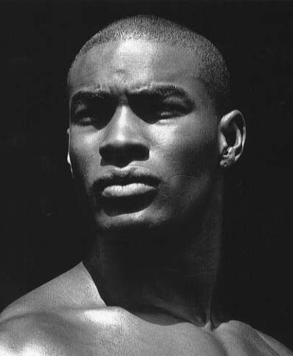
BONE MASS/FACIAL ROBUSTNESS
Facial robustness refers to the degree of bone mass in the face, particularly in terms of strength and structural density. Traits include: - Thickened brow ridges and bone bossing (supraorbital torii/frontal bone protrusion) - Strong, wide jawbones (mandibular breadth) - Broad cheekbones (zygomatic arches) - Overall facial width and depth Robust faces are typically more massive and have more prominent bone structures, often associated with greater physical strength or ancestral adaptation to environmental conditions (e.g. cold climates). High bone mass faces are favorable for males, but not necessarily females, as a gracile and feminine appearance is often desired. | Tyson Beckford

SCORING FACIAL ANGULARITY/BODY-FAT FACTORS
Assessing facial angularity can be difficult and fairly arbitrary to put into a numerical value. However, with a keen eye we can create a cohesive guide based on a few factors, such as: 1. Jaw angularity: Width of gonions, sharpness, lateral concavity of front jaw/chin, antegonial notch, etc. 2. Midface 3-Dness: How far the midface projects forward when viewed from the side. A maldeveloped maxilla and cheekbone (zygoma) contribute to this. 3. Cheekbone tapering: Change in width and prominence of the cheekbone, contributing to the overall contour and aesthetics of the face — an ogee curve is desirable. 4. Cheekbone hollowness: Fat-pad distributions play a role. A gaunt appearance is unfavorable and gives off a sickly look. Here, we must assess how much buccal fat lies within the cheeks — balance is key. | 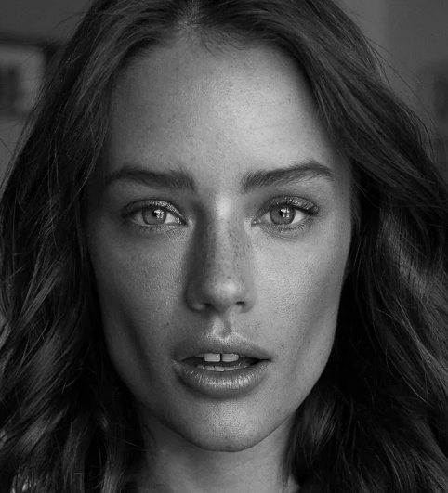 Jesse Lee Buchanan





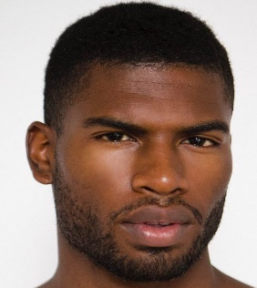

GUIDE
9+
8+
7+


6+
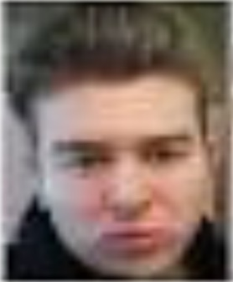
5+
4+
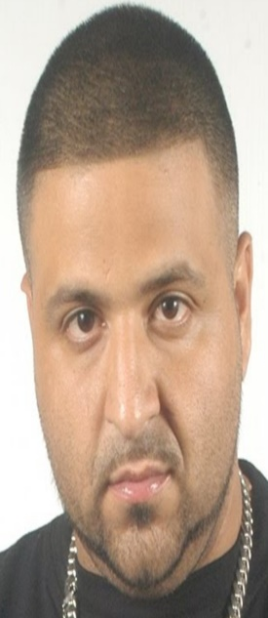
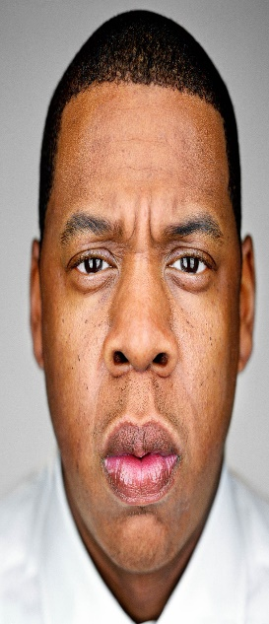
3+

Sheet1 (2)
FACIAL ANGULARITY
Facial angularity refers to the degree to which the bones and soft tissues of the face form sharp, defined angles. This includes features such as: - A prominent, sharp jawline with minimal hyoid bloat - High, well-defined cheekbones with lateral zygomatic projection - For females, a narrow or pointed chin is desired. For males, a broad squared chin is favorable. - A chiseled facial outline with visible contour from the middle floor to the lower floor of the face Angular faces tend to have less soft tissue coverage, making the underlying bone structture more visible and giving the face a "sculpted" appearance. | Richard Deiss | This is a replica of the original guide by Chronic, all credits to him. Use page view for best experience.

BONE MASS/FACIAL ROBUSTNESS
Facial robustness refers to the degree of bone mass in the face, particularly in terms of strength and structural density. Traits include: - Thickened brow ridges and bone bossing (supraorbital torii/frontal bone protrusion) - Strong, wide jawbones (mandibular breadth) - Broad cheekbones (zygomatic arches) - Overall facial width and depth Robust faces are typically more massive and have more prominent bone structures, often associated with greater physical strength or ancestral adaptation to environmental conditions (e.g. cold climates). High bone mass faces are favorable for males, but not necessarily females, as a gracile and feminine appearance is often desired. | Tyson Beckford

SCORING FACIAL ANGULARITY/BODY-FAT FACTORS
Assessing facial angularity can be difficult and fairly arbitrary to put into a numerical value. However, with a keen eye we can create a cohesive guide based on a few factors, such as: 1. Jaw angularity: Width of gonions, sharpness, lateral concavity of front jaw/chin, antegonial notch, etc. 2. Midface 3-Dness: How far the midface projects forward when viewed from the side. A maldeveloped maxilla and cheekbone (zygoma) contribute to this. 3. Cheekbone tapering: Change in width and prominence of the cheekbone, contributing to the overall contour and aesthetics of the face — an ogee curve is desirable. 4. Cheekbone hollowness: Fat-pad distributions play a role. A gaunt appearance is unfavorable and gives off a sickly look. Here, we must assess how much buccal fat lies within the cheeks — balance is key. | Jesse Lee Buchanan

GUIDE
9+
8+
7+
6+
5+
4+
  3+

